Sheet1
 |  | Document No. | Issue No. | Issue Date |  | Review and Replace Date |  | Authorised By
 |  | GFF204MC | 1 | 14.09.2020 |  | New Issue
 |  | Document Title | EGG NOODLES 225g
 |  |  |  |  |  |  |  | Magda Shah
Document amendments reason for change |  | New document | Page 1 of 1 |  | Previous Issue Date |  | New Issue | Uncontrolled copy unless signed original

CEGNOP-R6TEB | BOOTHS |  | EGG NOODLES 225g
STEP 1 |  |  |  |  | STEP 2
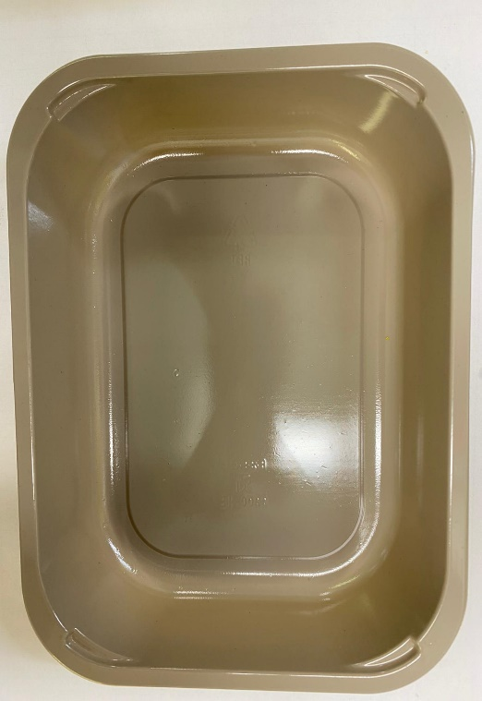 |  |  |  |  | 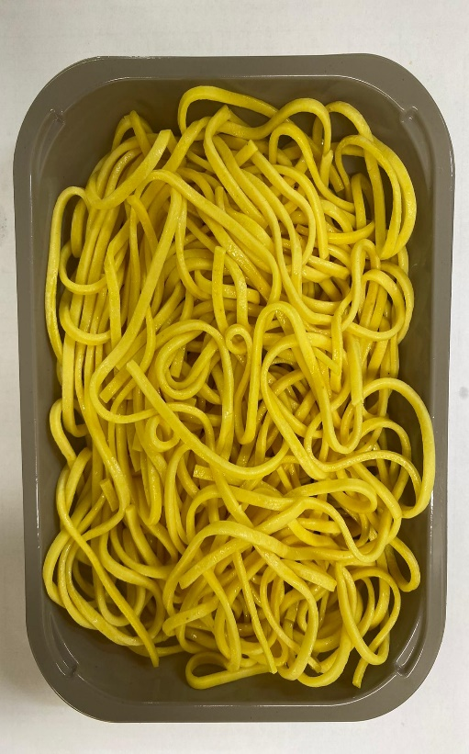

PACK + 10 DAYS
MAP PACKING TO BE DONE WITHIN 24 HOURS FROM COOKING
Tray: EVOLVE CPET 2200-1E (PKRHP001-08) |  |  |  |  | EGG NOODLES (GFF177R): 225g
Line 1: Mylar 250LAF 250mm x 1000 (PKWRA001-08)
Line 1: K-Peel 75G + AF 25 250mm (PKKMP001-01)
Line 2: Mylar 25OLAF - 380mm wide (PKWRA001-02)
TOTAL WEIGHT: 225G

ALLERGY ALERT: EGG, GLUTEN

